Sheet1
 | Document No. | Issue No. | Issue Date |  |  | Review and Replace Date |  | Authorised By
 | GFF525MC | 2 | 13.08.2025 |  |  | 28.08.2025
 | Document Title | Beef Curry With Pilau Rice | 400G
 |  |  |  |  |  |  |  | Magda Shah
Document amendments reason for change | Diced Beef Recipe added |  | Page 1 of 1 |  | Previous Issue Date |  | 13.08.2025 | Uncontrolled copy unless signed original

FBCUR-R8TOA | Oakhouse | Beef Curry With Pilau Rice | 400G
STEP 1 |  |  |  | STEP 2
 |  |  |  | 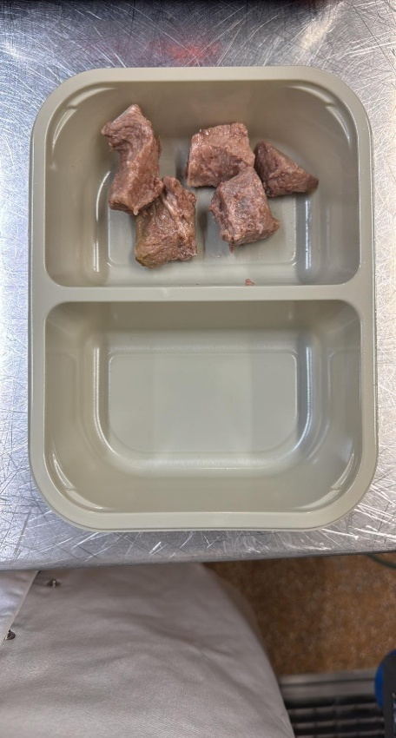

PACK DAY + 1 YEAR
NON-MAP PACK

Tray: EVOLVE CPET 2200-2F(PKRHP001-10) |  |  |  | Cooked Diced Beef -(GFF547R)- 60g

STEP 3 |  |  |  | STEP 4
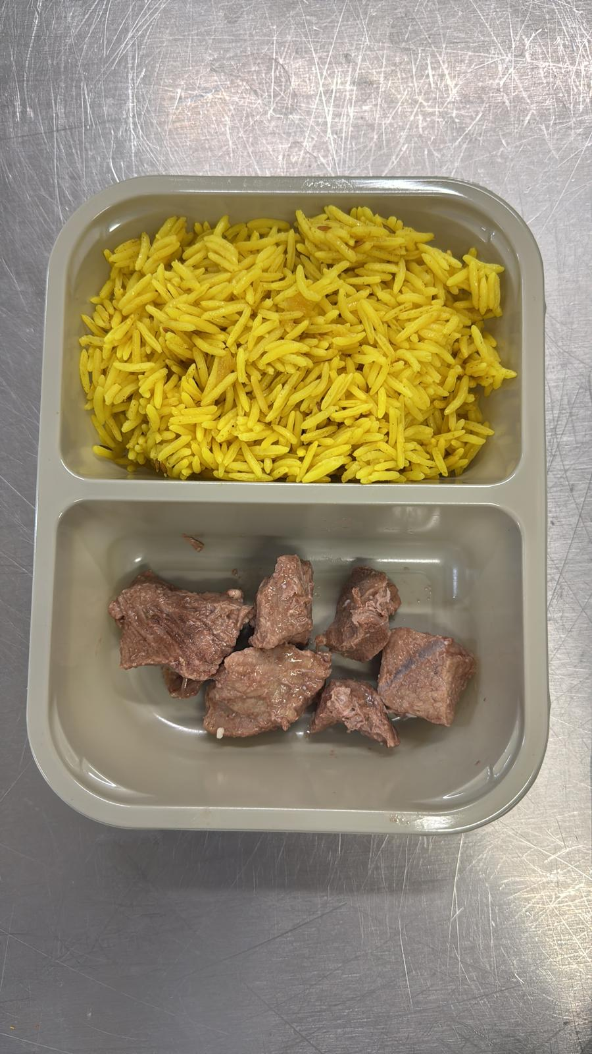 |  |  |  | 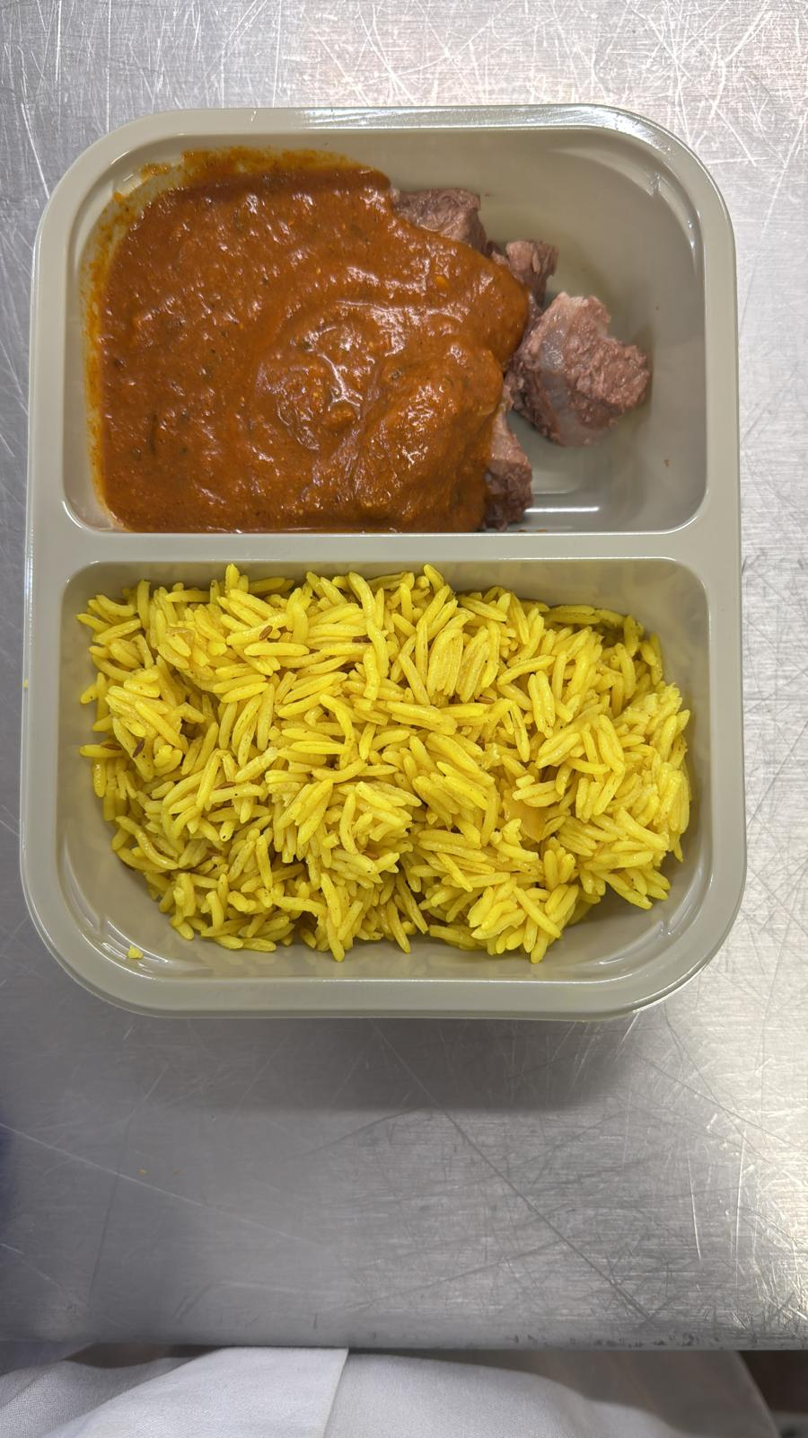
Special Pilau Rice-GFF520R : 180g |  |  |  | Beef Curry Sauce-GFF525R- 160g
 |  |  |  | TOTAL WEIGHT: 400g
ALLERGY ALERT: Milk, Mustard

